link
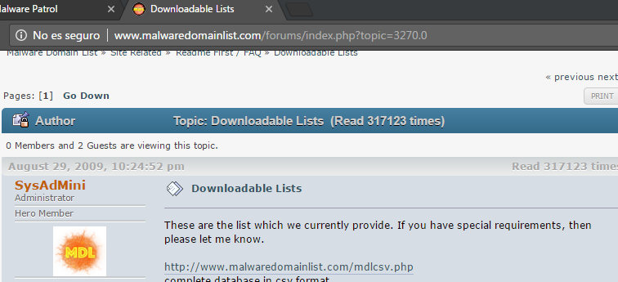

malwaredomainlist.com/forums/index.php?topic=3270.0

